1
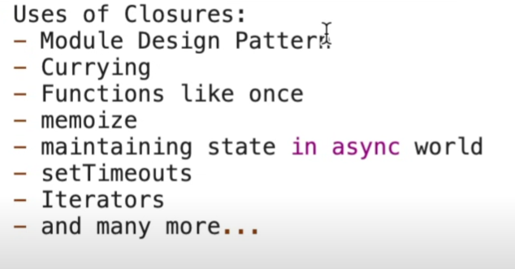
Closures
Closures occur when a function remembers the variables from its outer scope even after that scope has closed.
To check closure Goto devtools > source > attach breagpoin debugger

 | function counter() {
 | let count = 0;
 | return function() {
 | count++;
 | return count;
 | };
 | }

 | const inc = counter();
 | console.log(inc()); // 1
 | console.log(inc()); // 2

 | For Decrement use this.decrement

Hoisting: | Hoisting is JavaScript’s behavior of moving declarations (not initializations) to the top of their scope.

 | Variables are just staored in Global scope with value Undefined

 | However normal funtion declaration initialized with value of the function definition

 | console.log(x); // undefined, not ReferenceError
 | var x = 5;

 | // BUT
 | console.log(y); // ReferenceError
 | let y = 10;

 | var is hoisted & initialized with undefined;
 | let and const are hoisted but in Temporal Dead Zone (TDZ).

